IDP template updates
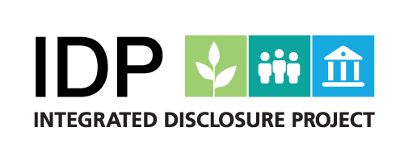
This template is maintained by Holtara.
Positively impacting business today, for a sustainable tomorrow.
Holtara.com - Sustainability, Climate and Platform Services

Summary of IDP template updates
Updates as of March 9, 2026.

Introduction
The Integrated Disclosure Project (“IDP”) Template represents a set of questions that are designed to solicit a global baseline of information from private companies. Holtara maintains this template on behalf of the IDP Secretariat. This document summarises the changes made for the most recent version of the template, as of the date provided on the title page.

For further information on the IDP, please visit: | https://theidp.io

